Inventory
The Moving Lorry Unit 9, Mitco Ind Park
95 Houtkop Road,
Duncanville,Vereeniging
081 282 0076
move@themovinglorry.co.za
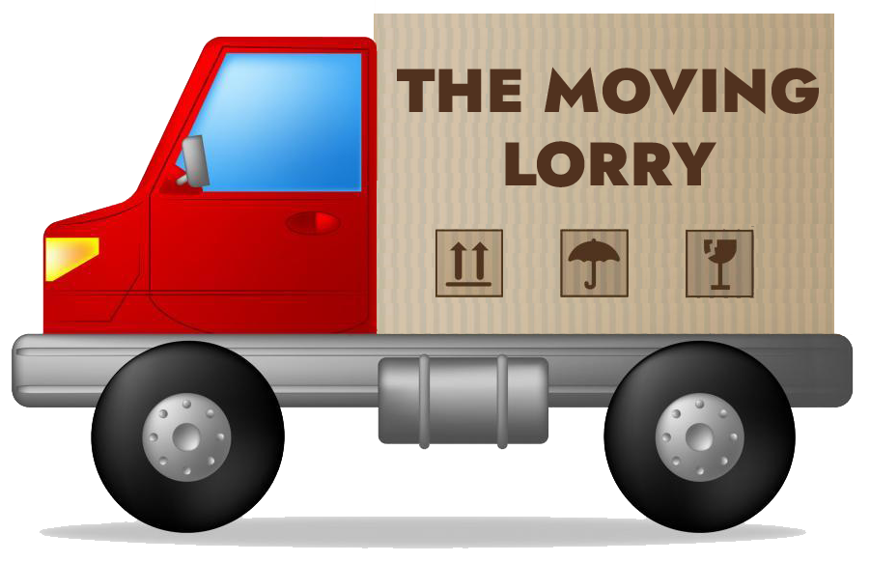

CLIENT INVENTORY
NAME |  |  |  |  |  |  |  |  |  | IF PAID BY COMPANY - NAME |  |  |  |  |  |  | TEL
FULL LOADING ADDRESS |  |  |  |  |  |  |  |  |  | FULL DELIVERY ADDRESS :

DO YOU REQUIRE SHUTTLE SERVICES? | YES | NO |  |  |  |  |  |  |  | DO YOU REQUIRE SHUTTLE SERVICES? |  | YES | NO
 |  |  | FLOOR #: |  |  | ELEVATOR |  |  |  |  |  |  |  | FLOOR #: |  |  |  | ELEVATOR

 |  |  |  |  |  |  |  |  |  | PLEASE TICK PREFERED BOX |  |  |  |  |  | YES | NO | Comment
CONTACT NUMBERS (Home) |  |  |  |  |  |  |  |  |  | DO YOU HAVE INSURANCE ? (TRANSIT / ALL RISK COVER)
(Work) |  |  |  |  |  |  |  |  |  | DO YOU REQUIRE PACKING OF BOXES ?
(Cell) |  |  |  |  |  |  |  |  |  | DO YOU REQUIRE STORAGE FACILITIES ?
E-MAIL ADDRESS / FAX |  |  |  |  |  |  |  |  |  | DISASSEMBLE / RE-ASSEMBLE OF ITEMS ?

REMOVAL DATES REQUIRED |  |  |  |  |  |  |  |  |  | ASSIST TO ARRANGE TRANSPORTATION OF PETS?
ESTIMATE DELIVERY DATE |  |  | Shared Load (Est. 3-5 Work Days) |  |  |  |  |  |  | ASSIST TO ARRANGE TRANSPORTATION OF CARS?

ENTRANCE HALL |  |  |  | QTY | STUDY |  |  |  | QTY | GARAGE |  |  |  | QTY | CAMPING EQUIPMENT |  |  |  | QTY
GRANDFATHER CLOCK |  |  |  |  | DESK |  |  | SMALL |  | WORKTABLE - WOOD / STEEL |  |  |  |  | TRAILER
WALL CLOCK |  |  |  |  |  |  |  | MEDIUM |  | WORKBENCH / CHAIR |  |  |  |  | TENT (2-4 MAN)
TELEPHONE TABLE |  |  |  |  |  |  |  | LARGE |  | SHELVES / RACKS |  |  |  |  | TENT (4-6 MAN)
HAT STAND / STANDING LAMP |  |  |  |  | CHAIR |  |  |  |  | CABINET |  |  |  |  | FOLDING TABLE
ORNAMENT | S | M | L |  | BOOKCASE |  |  | SMALL |  | TOOL CUPBOARD |  |  |  |  | FOLDING CHAIRS
LOUNGE |  |  |  | QTY |  |  |  | MEDIUM |  | TOOLBOX / TRUNK |  |  |  |  | COOLER BOX
L-SHAPED COUCH |  |  |  |  |  |  |  | LARGE |  | SMALL STEP LADDER |  |  |  |  | CAMPING FREEZER
3 SIT/SETTEE (LEATHER / RECLINER / LAZYBOY) |  |  |  |  | PLASTIC TABLE FILING CABINET (Small) |  |  |  |  | LADDER (MEDIUM / LARGE) |  |  |  |  | GAZEBO
2 SIT/SETTEE (LEATHER / RECLINER / LAZYBOY) |  |  |  |  | STATIONERY CABINET / 2 DOOR CABINET |  |  |  |  | BANDSAW / DRILL PRESS |  |  |  |  | FISHING RODS
1 SIT/SETTEE (LEATHER / RECLINER / LAZYBOY) |  |  |  |  | STEEL FILING CABINET |  |  |  |  | CIRCULAR SAW / MEAT SAW |  |  |  |  | FISHING TRUNK
3 SIT/SETTEE |  |  |  |  | 4 DRAWER CABINET |  |  |  |  | RADIAL ARM SAW |  |  |  |  | PET ACCESSORIES |  |  |  | QTY
2 SIT/SETTEE |  |  |  |  | SLIDING DOOR CABINET / CREDENZA |  |  |  |  | LATHE TABLE |  |  |  |  | DOG KENNEL (Small)
1 SIT/SETTEE |  |  |  |  | SEWING MACH/PORT |  |  |  |  | WELDER |  |  |  |  | DOG KENNEL (Medium / Large)
ARMCHAIR / WINGBACK CHAIR |  |  |  |  | SEWING MACH/CABINET |  |  |  |  | GENERATOR / COMPRESSOR |  |  |  |  | HAMSTER / BIRD CAGE (Small)
ROCKER CHAIR |  |  |  |  | KITCHEN |  |  |  | QTY | MUNICIPAL GARAGE - DRUM / BIN |  |  |  |  | BIRD CAGE (Medium)
SLEEPER COUCH |  |  |  |  | FRIDGE (SINGLE DOOR) |  |  | MEDIUM |  | MOTORCYCLE (Empty Fuel Tank) |  |  |  |  | BIRD CAGE (Large)
COFFEE TABLE / ROUND TABLE |  |  |  |  | FRIDGE (SIDE BY SIDE) |  |  | LARGE |  | GAS BOTTLES (EMPTY) |  |  |  |  | BIRD BATH
SMALL SIDE TABLE / CORNER TABLE |  |  |  |  | BAR FRIDGE |  |  |  |  | SAFE | S | M | L |  | FISH TANK (Small)
RADIO GRAM / HI-FI / MUSIC CENTRE & SPEAKERS |  |  |  |  | DEEPFREEZE |  |  | MEDIUM |  | PATIO |  |  |  | QTY | FISH TANK (Medium / Large)
TV SET (DSTV, DVD PLAYER TO BE BOXED) |  |  |  |  |  |  |  | LARGE |  | PATIO TABLE - STEEL / GLASS (2 - 4 SEATER) |  |  |  |  | CAT / DOG BED
TV CABINET / TROLLEY |  |  |  |  | STOVE |  |  |  |  | PATIO TABLE - STEEL / GLASS (6 - 10 SEATER) |  |  |  |  | CAT PLAY STATION
WALL UNIT - 1 PIECE |  |  |  |  | MICROWAVE |  |  |  |  | PATIO CHAIR - STEEL / CANE |  |  |  |  | MUSICAL INSTRUMENTS |  |  |  | QTY
WALL UNIT - 2 PIECES |  |  |  |  | DISHWASHER |  |  |  |  | L-SHAPED COUCH |  |  |  |  | PIANO |  |  | UPRIGHT
WALL UNIT - 3 PIECES |  |  |  |  | WATER DISPENSER |  |  |  |  | 3 SIT/SETTEE |  |  |  |  | PIANO | GRAND / BABY GRAND
CORNER CABINET |  |  |  |  | TABLE |  |  |  |  | 2 SIT/SETTEE |  |  |  |  | ELECTRONIC KEYBOARD IN CASE (NO BAG)
DISPLAY CABINET |  |  |  |  | CHAIR |  |  |  |  | 1 SIT/SETTEE - ARMCHAIR |  |  |  |  | KEYBOARD STAND
BAR COUNTER |  |  |  |  | BENCH |  |  |  |  | DAYBED / SUNBED |  |  |  |  | ORGAN
BAR STOOLS |  |  |  |  | BUTCHERS BLOCK |  |  |  |  | COFFEE TABLE |  |  |  |  | GUITAR IN CASE (NO BAG)
WINE RACK |  |  |  |  | KITCHEN CUPBOARD |  |  | SMALL |  | SMALL SIDE TABLE / CORNER TABLE |  |  |  |  | GUITAR AMP
LIQUOR CABINET |  |  |  |  |  |  |  | MEDIUM |  | PATIO HEATER |  |  |  |  | DRUM KIT
DINING ROOM |  |  |  | QTY |  |  |  | LARGE |  | PATIO UMBRELLA & BASE |  |  |  |  | PA MIXER / AMP / POWERED MIXER
TABLE (2 - 4 SEATER) |  |  |  |  | VEGETABLE RACK |  |  |  |  | POOL LOUNGER |  |  |  |  | 13" , 15" SPEAKER / SUB
TABLE (6 - 10 SEATER) |  |  |  |  | DUST BIN |  |  |  |  | BRAAI / BARBEQUE | S | M | L |  | SPEAKER STAND / MIC STAND / MUSIC STAND
CHAIR |  |  |  |  | LAUNDRY |  |  |  | QTY | GARDEN |  |  |  | QTY | EXERCISE / GYM / ACTIVE EQUIPMENT |  |  |  | QTY
BENCH |  |  |  |  | WASHING MACHINE |  |  |  |  | TABLE - PLASTIC (STACK) |  |  |  |  | BICYCLE
BUFFET |  |  |  |  | TUMBLE DRYER |  |  |  |  | CHAIR - PLASTIC (STACK) |  |  |  |  | TRAMPOLINE
WELSH DRESSER |  |  |  |  | CLOTHES AIRER |  |  |  |  | GARDEN TABLE - CONCRETE |  |  |  |  | DARTBOARD
SIDEBOARD |  |  |  |  | IRONING BOARD |  |  |  |  | GARDEN BENCH - CONCRETE / WOOD |  |  |  |  | TABLE TENNIS (FOLD-UP)
HOT TRAY / TEA TROLLEY |  |  |  |  | IRONING MACHINE |  |  |  |  | HOSEPIPE |  |  |  |  | POOL TABLE
BEDROOMS |  |  |  | QTY | WASHING BASKET |  |  |  |  | GARDEN TOOLS |  |  |  |  | GOLF BAG / CLUBS
QUEEN / KING SIZE BEDS |  |  |  |  | WASH STAND |  |  |  |  | WHEELBARROW |  |  |  |  | SURF BOARD / BOOGIE BOARD
QUEEN / KING SIZE HEADBOARDS |  |  |  |  | POLISHER / VACUUM CLEANER |  |  |  |  | LAWNMOWER (Empty Fuel Tank) |  |  |  |  | CANOE
DOUBLE BEDS |  |  |  |  | BROOMS / MOPS / BUCKETS |  |  |  |  | EDGE CUTTER (Empty Fuel Tank) |  |  |  |  | WINDSURFER
DOUBLE HEADBOARDS |  |  |  |  | KIDS BEDROOM / PLAYROOM |  |  |  | QTY | LEAF BLOWER (Empty Fuel Tank) |  |  |  |  | PADDLESKI
3/4 BEDS |  |  |  |  | BABY COT |  |  |  |  | SWING BENCH / JUNGLE GYM |  |  |  |  | EXERCISE BIKE / TREADMILL
3/4 HEADBOARDS |  |  |  |  | COMPACTUM |  |  |  |  | GARDEN FEATURES |  |  |  | QTY | EXERCISE MACHINE
SINGLE BEDS |  |  |  |  | PRAM / CRADLE / CAR SEAT / FEEDING CHAIR |  |  |  |  | POTPLANT RACK |  |  |  |  | EXERCISE BENCH / EXERCISE BALL
SINGLE HEADBOARDS |  |  |  |  | KIDS PLASTIC TABLE |  |  |  |  | EMPTY POTS | S | M | L |  | WEIGHTS / DUMBELLS / YOGA MATS
PEDESTALS / BED-SIDE CABINET |  |  |  |  | KIDS PLASTIC CHAIRS |  |  |  |  | STATUE / ORNAMENT (Small) |  |  |  |  | BOXES, CRATES & CONTAINERS |  |  |  | QTY
CHAIR / OTTOMAN / BEAN BAG |  |  |  |  | KIDS BICYCLE / LARGE TOY CAR |  |  |  |  | STATUE / ORNAMENT (Medium) |  |  |  |  | STACK CRATES
DRESSING TABLE & STOOL |  |  |  |  | DOLL HOUSE / ROCKING HORSE |  |  |  |  | STATUE / ORNAMENT (Large) |  |  |  |  | PLASTIC CONTAINERS (SMALL - 45L)
SUITCASES / BACKPACK |  |  |  |  | TOY BOX |  |  |  |  | POTPLANTS (Small) |  |  |  |  | PLASTIC CONTAINERS (MEDIUM - 90L)
CHEST OF DRAWERS |  |  |  |  | MISCELLANEOUS |  |  |  | QTY | POTPLANTS (Medium) |  |  |  |  | PLASTIC CONTAINERS (LARGE - 120L)
CHEVAL MIRROR / ROOM DIVIDER |  |  |  |  | CARPETS |  |  |  |  | POTPLANTS (Large) |  |  |  |  | Boxes (S) Average (250 x 300 x 400)
TROUSSEAU KIST |  |  |  |  | HEATERS |  |  |  |  | WATER FEATURE (Small) |  |  |  |  | Boxes (M) Average (300 x 400 x 600)
CABINET |  |  |  |  | FANS |  |  |  |  | WATER FEATURE (Medium) |  |  |  |  | Boxes (L) Average (400 x 600 x 800)
WARDROBE |  |  |  |  | MIRRORS / PAINTINGS / WHITE BOARDS |  |  |  |  | WATER FEATURE (Large) |  |  |  |  | HANGPACKS
 |  |  |  | 0 |  |  |  |  | 0 |  |  |  |  | 0 |  |  |  |  | 0

TOTAL UNITS |  |  | 0.0 |  |  |  |  |  |  |  |  |  |  |  |  |  |  |  | 0
FURNITURE VOLUME |  |  | 0.0
GARDEN FEATURES VOLUME |  |  | 0.0 |  |  |  | Client's Name: …................................................ |  |  |  |  | Client's Signature: …............................................
CARTON & CONTAINER VOLUME |  |  | 0.0
TOTAL VOLUME |  |  | 0.0 |  |  |  |  |  |  |  |  |  |  | Date: ….....................................

